Data
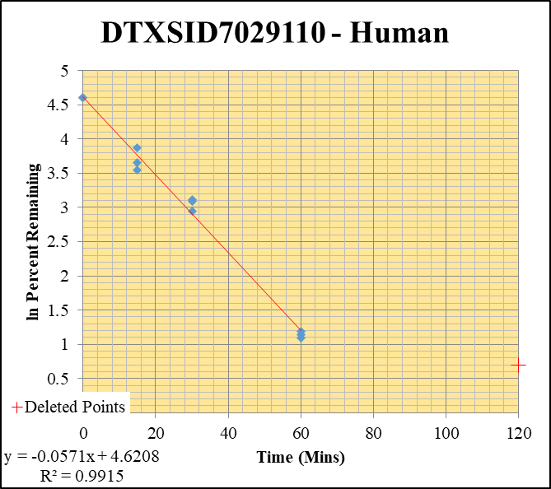
SampleName | CompoundName | Transition | Area | ISTD Area | ISTDResponseRatio | % Remaining | Time (mins) | ln % Remaining | Chart | Table
Blank____1_003 | DTXSID7029110 | 73 | 0 | 833935.4048 | 0 |  |  |  | DTXSID7029110 - Human | Time (Mins) | % Remaining Replica 1 | % Remaining Replica 2 | % Remaining Replica 3 | Average
Blank____2_004 | DTXSID7029110 | 73 | 0 | 912563.85532 | 0 |  |  |  | Time (Mins) | 120 | 2.00% | 2.00% | 2.00%
Blank____3_005 | DTXSID7029110 | 73 | 0 | 1585588.8247 | 0 |  |  |  | ln Percent Remaining | 60 | 3% | 3% | 3.3% | 3%
DTXSID7029110_10uM___120_1_532 | DTXSID7029110 | 73 | 0 | 844553.47594 | 0 | 2 | 120 | 0.693 |  | 30 | 22.6% | 18.9% | 22% | 21.1%
DTXSID7029110_10uM___120_2_533 | DTXSID7029110 | 73 | 0 | 905535.09118 | 0 | 2 | 120 | 0.693 |  | 15 | 48% | 34% | 38.8% | 40.5%
DTXSID7029110_10uM___120_3_534 | DTXSID7029110 | 73 | 0 | 860604.25398 | 0 | 2 | 120 | 0.693 |  | 0 | 100% | 100% | 100% | 100%
DTXSID7029110_10uM___60_1_535 | DTXSID7029110 | 73 | 38008.845856 | 927215.28761 | 0.040992471074 | 3.137120492 | 60 | 1.1433053384
DTXSID7029110_10uM___60_2_536 | DTXSID7029110 | 73 | 48296.873904 | 923037.27814 | 0.052323860637 | 2.9817510227 | 60 | 1.0925107195 |  | Slope | -0.057099
DTXSID7029110_10uM___60_3_537 | DTXSID7029110 | 73 | 45362.681977 | 933424.28199 | 0.048598137902 | 3.2964214677 | 60 | 1.1928374764 |  | Intercept | 4.62
DTXSID7029110_10uM___30_1_538 | DTXSID7029110 | 73 | 278071.21338 | 941980.43612 | 0.29519850171 | 22.591301394 | 30 | 3.1175649381 |  | R2 | 0.992
DTXSID7029110_10uM___30_2_539 | DTXSID7029110 | 73 | 303859.36813 | 916184.17602 | 0.33165751613 | 18.899984173 | 30 | 2.9391610846 |  | T½ (mins) | 12.139448856
DTXSID7029110_10uM___30_3_540 | DTXSID7029110 | 73 | 282304.54117 | 873326.56074 | 0.3232519814 | 21.92624691 | 30 | 3.0876844082 |  | CLint (µl/min/106 cells) | 114.2
DTXSID7029110_10uM___15_1_541 | DTXSID7029110 | 73 | 929417.21677 | 1476448.849 | 0.62949503291 | 48.174743207 | 15 | 3.8748348839 |  | Comments | Points Deleted: (120,0.6930) (120,0.6930) (120,0.6930)
DTXSID7029110_10uM___15_2_542 | DTXSID7029110 | 73 | 666802.88509 | 1101894.2394 | 0.60514236416 | 34.484914555 | 15 | 3.5405219691
DTXSID7029110_10uM___15_3_543 | DTXSID7029110 | 73 | 873723.81254 | 1525971.3155 | 0.57256896227 | 38.837467863 | 15 | 3.6593854473
DTXSID7029110_10uM___0_1_544 | DTXSID7029110 | 73 | 854391.17172 | 653858.61911 | 1.3066909982 | 100 | 0 | 4.605170186
DTXSID7029110_10uM___0_2_545 | DTXSID7029110 | 73 | 701719.20872 | 399884.85995 | 1.7548031421 | 100 | 0 | 4.605170186
DTXSID7029110_10uM___0_3_546 | DTXSID7029110 | 73 | 685060.32929 | 464677.79912 | 1.4742695489 | 100 | 0 | 4.605170186

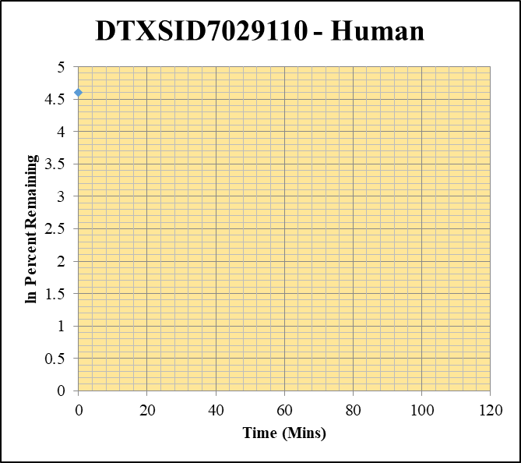
Blank____1_003 | DTXSID7029110 | 73 | 0 | 833935.4048 | 0 |  |  |  | DTXSID7029110 - Human | Time (Mins) | % Remaining Replica 1 | % Remaining Replica 2 | % Remaining Replica 3 | Average
Blank____2_004 | DTXSID7029110 | 73 | 0 | 912563.85532 | 0 |  |  |  | Time (Mins) | 120 | 0.0% | 0.0% | 0.0% | 0.0%
Blank____3_005 | DTXSID7029110 | 73 | 0 | 1585588.8247 | 0 |  |  |  | ln Percent Remaining | 60 | 0.0% | 0.0% | 0.0% | 0.0%
DTXSID7029110_1uM___120_1_514 | DTXSID7029110 | 73 | 0 | 1731161.9378 | 0 | 0 | 120 | #NUM! |  | 30 | 0.0% | 0.0% | 0.0% | 0.0%
DTXSID7029110_1uM___120_2_515 | DTXSID7029110 | 73 | 0 | 1410699.0365 | 0 | 0 | 120 | #NUM! |  | 15 | 0.0% | 0.0% | 0.0% | 0.0%
DTXSID7029110_1uM___120_3_516 | DTXSID7029110 | 73 | 0 | 1170410.8174 | 0 | 0 | 120 | #NUM! |  | 0 | 100% | 100% | 100% | 100%
DTXSID7029110_1uM___60_1_517 | DTXSID7029110 | 73 | 0 | 1616290.3606 | 0 | 0 | 60 | #NUM!
DTXSID7029110_1uM___60_2_518 | DTXSID7029110 | 73 | 0 | 1258510.8072 | 0 | 0 | 60 | #NUM! |  | Slope
DTXSID7029110_1uM___60_3_519 | DTXSID7029110 | 73 | 0 | 1188694.8858 | 0 | 0 | 60 | #NUM! |  | Intercept
DTXSID7029110_1uM___30_1_520 | DTXSID7029110 | 73 | 0 | 1236957.9635 | 0 | 0 | 30 | #NUM! |  | R2
DTXSID7029110_1uM___30_2_521 | DTXSID7029110 | 73 | 0 | 1227426.9841 | 0 | 0 | 30 | #NUM! |  | T½ (mins)
DTXSID7029110_1uM___30_3_522 | DTXSID7029110 | 73 | 0 | 1306876.7302 | 0 | 0 | 30 | #NUM! |  | CLint (µl/min/106 cells) | 0.00
DTXSID7029110_1uM___15_1_523 | DTXSID7029110 | 73 | 0 | 1404348.5688 | 0 | 0 | 15 | #NUM! |  | Comments
DTXSID7029110_1uM___15_2_524 | DTXSID7029110 | 73 | 0 | 908881.784 | 0 | 0 | 15 | #NUM!
DTXSID7029110_1uM___15_3_525 | DTXSID7029110 | 73 | 0 | 928228.3818 | 0 | 0 | 15 | #NUM!
DTXSID7029110_1uM___0_1_526 | DTXSID7029110 | 73 | 39434.467687 | 356394.56622 | 0.11064834154 | 100 | 0 | 4.605170186
DTXSID7029110_1uM___0_2_527 | DTXSID7029110 | 73 | 35442.934064 | 310948.86445 | 0.11398315966 | 100 | 0 | 4.605170186
DTXSID7029110_1uM___0_3_528 | DTXSID7029110 | 73 | 39302.807373 | 335336.23301 | 0.11720417749 | 100 | 0 | 4.605170186

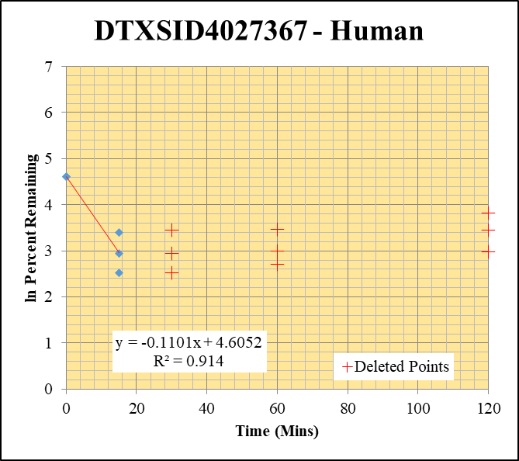
Blank____1_003 | DTXSID4027367 | 55 | 0 | 833935.4048 | 0 |  |  |  | DTXSID4027367 - Human | Time (Mins) | % Remaining Replica 1 | % Remaining Replica 2 | % Remaining Replica 3 | Average
Blank____2_004 | DTXSID4027367 | 55 | 0 | 912563.85532 | 0 |  |  |  | Time (Mins) | 120 | 45.54% | 31.41% | 19.55%
Blank____3_005 | DTXSID4027367 | 55 | 0 | 1585588.8247 | 0 |  |  |  | ln Percent Remaining | 60 | 31.82% | 19.95% | 14.94%
DTXSID4027367_10uM___120_1_172 | DTXSID4027367 | 55 | 14889394.575 | 1241053.6964 | 11.997381434 | 45.536880605 | 120 | 3.819 |  | 30 | 31.33% | 19.02% | 12.36%
DTXSID4027367_10uM___120_2_173 | DTXSID4027367 | 55 | 14347955.142 | 1187843.2877 | 12.078996691 | 31.40915628 | 120 | 3.447 |  | 15 | 29.9% | 19.0% | 12.4% | 20.4%
DTXSID4027367_10uM___120_3_174 | DTXSID4027367 | 55 | 13208849.198 | 1207456.1814 | 10.939402524 | 19.551349952 | 120 | 2.973 |  | 0 | 100% | 100% | 100% | 100%
DTXSID4027367_10uM___60_1_175 | DTXSID4027367 | 55 | 10252803.034 | 1222853.0885 | 8.3843293448 | 31.823294645 | 60 | 3.460
DTXSID4027367_10uM___60_2_176 | DTXSID4027367 | 55 | 9595848.7069 | 1250635.6062 | 7.6727774734 | 19.951612946 | 60 | 2.993 |  | Slope | -0.1101
DTXSID4027367_10uM___60_3_177 | DTXSID4027367 | 55 | 10215968.252 | 1222046.507 | 8.3597213311 | 14.940837663 | 60 | 2.704 |  | Intercept | 4.61
DTXSID4027367_10uM___30_1_178 | DTXSID4027367 | 55 | 10155983.569 | 1230553.5539 | 8.2531829168 | 31.32551942 | 30 | 3.444 |  | R2 | 0.914
DTXSID4027367_10uM___30_2_179 | DTXSID4027367 | 55 | 8808707.7072 | 1204370.5575 | 7.3139513853 | 19.018553275 | 30 | 2.945 |  | T½ (mins) | 6.3
DTXSID4027367_10uM___30_3_180 | DTXSID4027367 | 55 | 8451976.6524 | 1221765.4529 | 6.9178389622 | 12.363846212 | 30 | 2.515 |  | CLint (µl/min/106 cells) | 220.3
DTXSID4027367_10uM___15_1_181 | DTXSID4027367 | 55 | 9181077.239 | 1166666.9576 | 7.8694928138 | 29.86919743 | 15 | 3.3968277631 |  | Comments | Points Deleted: (120,3.8190) (120,3.4470) (120,2.9730) (60,3.4600) (60,2.9930) (60,2.7040) (30,3.4440) (30,2.9450) (30,2.5150)
DTXSID4027367_10uM___15_2_182 | DTXSID4027367 | 55 | 8587545.5284 | 1176541.7759 | 7.298972042 | 18.979602314 | 15 | 2.94336484
DTXSID4027367_10uM___15_3_183 | DTXSID4027367 | 55 | 8136125.2507 | 1170821.1108 | 6.9490763153 | 12.419674894 | 15 | 2.5192819002
DTXSID4027367_10uM___0_1_184 | DTXSID4027367 | 55 | 16810021.881 | 638035.86107 | 26.346515779 | 100 | 0 | 4.605170186
DTXSID4027367_10uM___0_2_185 | DTXSID4027367 | 55 | 23253749.37 | 604669.96283 | 38.45692824 | 100 | 0 | 4.605170186
DTXSID4027367_10uM___0_3_186 | DTXSID4027367 | 55 | 34660633.326 | 619469.08913 | 55.952159574 | 100 | 0 | 4.605170186

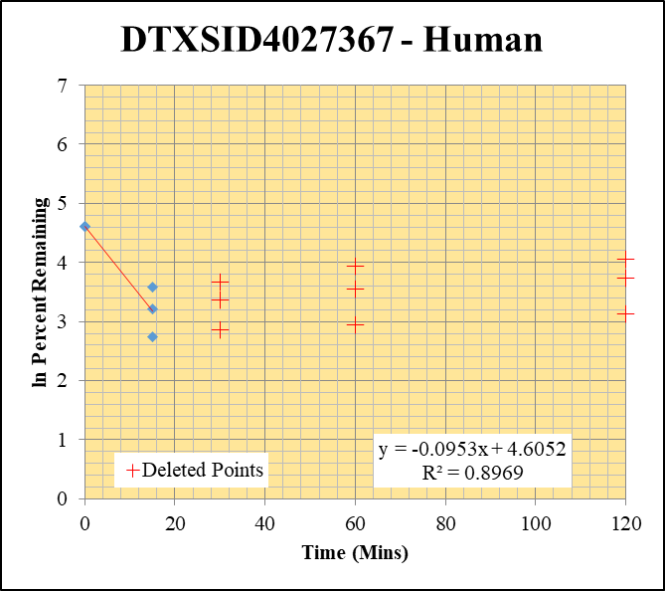
Blank____1_003 | DTXSID4027367 | 55 | 0 | 833935.4048 | 0 |  |  |  | DTXSID4027367 - Human | Time (Mins) | % Remaining Replica 1 | % Remaining Replica 2 | % Remaining Replica 3 | Average
Blank____2_004 | DTXSID4027367 | 55 | 0 | 912563.85532 | 0 |  |  |  | Time (Mins) | 120 | 57.86% | 42.08% | 22.96%
Blank____3_005 | DTXSID4027367 | 55 | 0 | 1585588.8247 | 0 |  |  |  | ln Percent Remaining | 60 | 51.51% | 34.94% | 18.96%
DTXSID4027367_1uM___120_1_154 | DTXSID4027367 | 55 | 13997426.39 | 1152151.048 | 12.148950795 | 57.858947662 | 120 | 4.058 |  | 30 | 38.94% | 28.91% | 17.52%
DTXSID4027367_1uM___120_2_155 | DTXSID4027367 | 55 | 14330661.874 | 1201949.7987 | 11.922845604 | 42.077518961 | 120 | 3.740 |  | 15 | 35.7% | 24.8% | 15.5% | 25.3%
DTXSID4027367_1uM___120_3_156 | DTXSID4027367 | 55 | 12153639.192 | 1223901.4894 | 9.9302429951 | 22.962474994 | 120 | 3.134 |  | 0 | 100% | 100% | 100% | 100%
DTXSID4027367_1uM___60_1_157 | DTXSID4027367 | 55 | 13319284.565 | 1231400.2903 | 10.816372767 | 51.512592027 | 60 | 3.942
DTXSID4027367_1uM___60_2_158 | DTXSID4027367 | 55 | 12560089.056 | 1268630.303 | 9.9005116203 | 34.940397558 | 60 | 3.554 |  | Slope | -0.0953
DTXSID4027367_1uM___60_3_159 | DTXSID4027367 | 55 | 10370397.195 | 1264773.7899 | 8.1994086833 | 18.960131887 | 60 | 2.942 |  | Intercept | 4.61
DTXSID4027367_1uM___30_1_160 | DTXSID4027367 | 55 | 10837318.311 | 1325460.6494 | 8.1762655991 | 38.93917519 | 30 | 3.662 |  | R2 | 0.897
DTXSID4027367_1uM___30_2_161 | DTXSID4027367 | 55 | 10523789.608 | 1284570.1043 | 8.1924603199 | 28.912427108 | 30 | 3.364 |  | T½ (mins) | 7.3
DTXSID4027367_1uM___30_3_162 | DTXSID4027367 | 55 | 9545745.6291 | 1259591.4309 | 7.5784459906 | 17.524231445 | 30 | 2.864 |  | CLint (µl/min/106 cells) | 190.7
DTXSID4027367_1uM___15_1_163 | DTXSID4027367 | 55 | 9126957.6231 | 1216073.9349 | 7.5052653967 | 35.743560503 | 15 | 3.5763701271 |  | Comments | Points Deleted: (120,4.0580) (120,3.7400) (120,3.1340) (60,3.9420) (60,3.5540) (60,2.9420) (30,3.6620) (30,3.3640) (30,2.8640)
DTXSID4027367_1uM___15_2_164 | DTXSID4027367 | 55 | 8605026.2919 | 1225295.1703 | 7.0228190726 | 24.784586877 | 15 | 3.2102219631
DTXSID4027367_1uM___15_3_165 | DTXSID4027367 | 55 | 8424139.734 | 1259666.1168 | 6.6875973097 | 15.464252594 | 15 | 2.7385310761
DTXSID4027367_1uM___0_1_166 | DTXSID4027367 | 55 | 26473519.141 | 1260791.9682 | 20.997531558 | 100 | 0 | 4.605170186
DTXSID4027367_1uM___0_2_167 | DTXSID4027367 | 55 | 25640159.756 | 904879.87862 | 28.335429223 | 100 | 0 | 4.605170186
DTXSID4027367_1uM___0_3_168 | DTXSID4027367 | 55 | 29892729.567 | 691232.88879 | 43.24552557 | 100 | 0 | 4.605170186

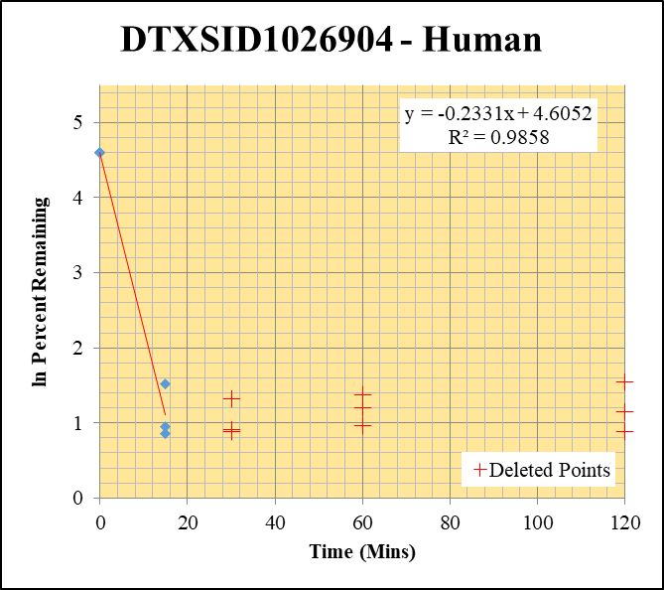
Blank____1_003 | DTXSID1026904 | 43 | 0 | 833935.4048 | 0 |  |  |  | DTXSID1026904 - Human | Time (Mins) | % Remaining Replica 1 | % Remaining Replica 2 | % Remaining Replica 3 | Average
Blank____2_004 | DTXSID1026904 | 43 | 0 | 912563.85532 | 0 |  |  |  | Time (Mins) | 120 | 4.67% | 2.43% | 3.14%
Blank____3_005 | DTXSID1026904 | 43 | 0 | 1585588.8247 | 0 |  |  |  | ln Percent Remaining | 60 | 3.94% | 2.62% | 3.33%
DTXSID1026904_10uM___120_1_496 | DTXSID1026904 | 43 | 611803.76325 | 1533594.8443 | 0.39893441577 | 4.6676591562 | 120 | 1.541 |  | 30 | 3.77% | 2.48% | 2.41%
DTXSID1026904_10uM___120_2_497 | DTXSID1026904 | 43 | 539718.62342 | 1768156.4144 | 0.30524370978 | 2.4322269119 | 120 | 0.889 |  | 15 | 4.6% | 2.6% | 2.4% | 3.2%
DTXSID1026904_10uM___120_3_498 | DTXSID1026904 | 43 | 556155.48991 | 1432593.3784 | 0.38821587359 | 3.1449685242 | 120 | 1.146 |  | 0 | 100% | 100% | 100% | 100%
DTXSID1026904_10uM___60_1_499 | DTXSID1026904 | 43 | 525040.92745 | 1557414.5855 | 0.33712341745 | 3.9444508772 | 60 | 1.372
DTXSID1026904_10uM___60_2_500 | DTXSID1026904 | 43 | 517173.42994 | 1575294.6817 | 0.32830265724 | 2.6159640071 | 60 | 0.962 |  | Slope | -0.2331
DTXSID1026904_10uM___60_3_501 | DTXSID1026904 | 43 | 496812.5063 | 1209609.2407 | 0.41072148724 | 3.3272883399 | 60 | 1.202 |  | Intercept | 4.61
DTXSID1026904_10uM___30_1_502 | DTXSID1026904 | 43 | 461196.9067 | 1432767.9999 | 0.32189224406 | 3.7662413191 | 30 | 1.326 |  | R2 | 0.986
DTXSID1026904_10uM___30_2_503 | DTXSID1026904 | 43 | 454278.81312 | 1462442.8441 | 0.3106301316 | 2.4751467156 | 30 | 0.906 |  | T½ (mins) | 3.0
DTXSID1026904_10uM___30_3_504 | DTXSID1026904 | 43 | 429428.05355 | 1443967.9183 | 0.29739445601 | 2.4092167967 | 30 | 0.879 |  | CLint (µl/min/106 cells) | 466.2
DTXSID1026904_10uM___15_1_505 | DTXSID1026904 | 43 | 371043.03199 | 945481.95086 | 0.39243798536 | 4.5916488606 | 15 | 1.5242391885 |  | Comments | Points Deleted: (120,1.5410) (120,0.8890) (120,1.1460) (60,1.3720) (60,0.9620) (60,1.2020) (30,1.3260) (30,0.9060) (30,0.8790)
DTXSID1026904_10uM___15_2_506 | DTXSID1026904 | 43 | 444723.69584 | 1376452.0445 | 0.3230942172 | 2.5744623885 | 15 | 0.94564073115
DTXSID1026904_10uM___15_3_507 | DTXSID1026904 | 43 | 393345.58089 | 1354977.4441 | 0.29029677403 | 2.3517178948 | 15 | 0.85514608017
DTXSID1026904_10uM___0_1_508 | DTXSID1026904 | 43 | 3392014.2109 | 396876.41787 | 8.5467769265 | 100 | 0 | 4.605170186
DTXSID1026904_10uM___0_2_509 | DTXSID1026904 | 43 | 4427378.5488 | 352780.05444 | 12.549968438 | 100 | 0 | 4.605170186
DTXSID1026904_10uM___0_3_510 | DTXSID1026904 | 43 | 4653949.5622 | 377020.2581 | 12.344030492 | 100 | 0 | 4.605170186

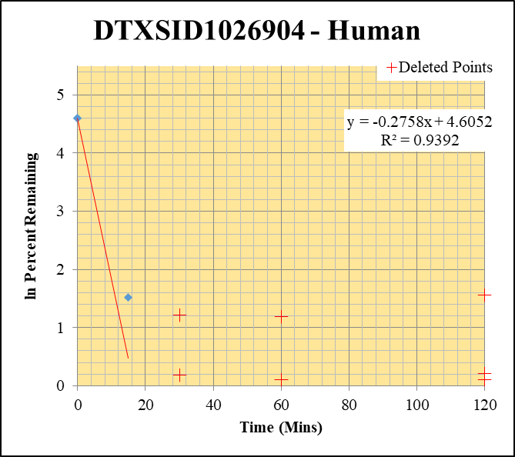
Blank____1_003 | DTXSID1026904 | 43 | 0 | 833935.4048 | 0 |  |  |  | DTXSID1026904 - Human | Time (Mins) | % Remaining Replica 1 | % Remaining Replica 2 | % Remaining Replica 3 | Average
Blank____2_004 | DTXSID1026904 | 43 | 0 | 912563.85532 | 0 |  |  |  | Time (Mins) | 120 | 4.78% | 1.10% | 1.23%
Blank____3_005 | DTXSID1026904 | 43 | 0 | 1585588.8247 | 0 |  |  |  | ln Percent Remaining | 60 | 3.29% | 1.10% | 1.11%
DTXSID1026904_1uM___120_1_478 | DTXSID1026904 | 43 | 422448.42516 | 1378273.5304 | 0.30650550552 | 4.7794246388 | 120 | 1.564 |  | 30 | 3.39% | 0.92% | 1.20%
DTXSID1026904_1uM___120_2_479 | DTXSID1026904 | 43 | 382976.63758 | 1240192.9323 | 0.30880408008 | 1.1030387713 | 120 | 0.098 |  | 15 | 4.6% | 0.91% | 0.98% | 2.2%
DTXSID1026904_1uM___120_3_480 | DTXSID1026904 | 43 | 413846.85735 | 1415987.5761 | 0.29226729411 | 1.2294172497 | 120 | 0.207 |  | 0 | 100% | 100% | 100% | 100%
DTXSID1026904_1uM___60_1_481 | DTXSID1026904 | 43 | 330776.38807 | 1569263.2134 | 0.21078451673 | 3.2868209367 | 60 | 1.190
DTXSID1026904_1uM___60_2_482 | DTXSID1026904 | 43 | 373975.06848 | 1210967.2756 | 0.30882343067 | 1.1031078911 | 60 | 0.098 |  | Slope | -0.2758
DTXSID1026904_1uM___60_3_483 | DTXSID1026904 | 43 | 396846.09497 | 1498127.9798 | 0.26489465541 | 1.1142747248 | 60 | 0.108 |  | Intercept | 4.61
DTXSID1026904_1uM___30_1_484 | DTXSID1026904 | 43 | 285271.02396 | 1312530.3798 | 0.21734432083 | 3.3891097661 | 30 | 1.221 |  | R2 | 0.939
DTXSID1026904_1uM___30_2_485 | DTXSID1026904 | 43 | 331585.18564 | 1281671.112 | 0.25871316169 | 0.92411553606 | 30 | -0.079 |  | T½ (mins) | 2.5
DTXSID1026904_1uM___30_3_486 | DTXSID1026904 | 43 | 368771.36864 | 1296787.3074 | 0.28437305527 | 1.1962102724 | 30 | 0.179 |  | CLint (µl/min/106 cells) | 551.5
DTXSID1026904_1uM___15_1_487 | DTXSID1026904 | 43 | 348895.63395 | 1189389.2583 | 0.29334015885 | 4.5741337676 | 15 | 1.5204173404 |  | Comments | Points Deleted: (120,1.5640) (120,0.0980) (120,0.2070) (60,1.1900) (60,0.0980) (60,0.1080) (30,1.2210) (30,-0.0790) (30,0.1790)
DTXSID1026904_1uM___15_2_488 | DTXSID1026904 | 43 | 358696.36115 | 1401402.0231 | 0.2559553613 | 0.91426475702 | 15 | -0.089635080962
DTXSID1026904_1uM___15_3_489 | DTXSID1026904 | 43 | 327269.19171 | 1410865.8575 | 0.23196336489 | 0.97574982851 | 15 | -0.024549048677
DTXSID1026904_1uM___0_1_490 | DTXSID1026904 | 43 | 2717775.743 | 423790.2457 | 6.4130209947 | 100 | 0 | 4.605170186
DTXSID1026904_1uM___0_2_491 | DTXSID1026904 | 43 | 14155206.618 | 505619.67031 | 27.995759361 | 100 | 0 | 4.605170186
DTXSID1026904_1uM___0_3_492 | DTXSID1026904 | 43 | 13112036.384 | 551555.51219 | 23.772831736 | 100 | 0 | 4.605170186

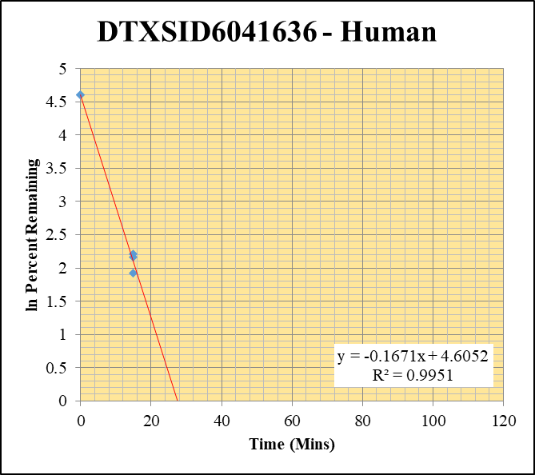
Blank____1_003 | DTXSID6041636 | 104 | 0 | 833935.4048 | 0 |  |  |  | DTXSID6041636 - Human | Time (Mins) | % Remaining Replica 1 | % Remaining Replica 2 | % Remaining Replica 3 | Average
Blank____2_004 | DTXSID6041636 | 104 | 0 | 912563.85532 | 0 |  |  |  | Time (Mins) | 120 | 0.0% | 0.0% | 0.0% | 0.0%
Blank____3_005 | DTXSID6041636 | 104 | 0 | 1585588.8247 | 0 |  |  |  | ln Percent Remaining | 60 | 0.0% | 0.0% | 0.0% | 0.0%
DTXSID6041636_10uM___120_1_460 | DTXSID6041636 | 104 | 0 | 971537.46544 | 0 | 0 | 120 | #NUM! |  | 30 | 0.0% | 0.0% | 0.0% | 0.0%
DTXSID6041636_10uM___120_2_461 | DTXSID6041636 | 104 | 0 | 1394004.6452 | 0 | 0 | 120 | #NUM! |  | 15 | 9.1% | 8.7% | 6.8% | 8.2%
DTXSID6041636_10uM___120_3_462 | DTXSID6041636 | 104 | 0 | 1115333.6535 | 0 | 0 | 120 | #NUM! |  | 0 | 100% | 100% | 100% | 100%
DTXSID6041636_10uM___60_1_463 | DTXSID6041636 | 104 | 0 | 1376748.5775 | 0 | 0 | 60 | #NUM!
DTXSID6041636_10uM___60_2_464 | DTXSID6041636 | 104 | 0 | 1238391.9534 | 0 | 0 | 60 | #NUM! |  | Slope | -0.1671
DTXSID6041636_10uM___60_3_465 | DTXSID6041636 | 104 | 0 | 1164579.7636 | 0 | 0 | 60 | #NUM! |  | Intercept | 4.61
DTXSID6041636_10uM___30_1_466 | DTXSID6041636 | 104 | 0 | 1209213.1487 | 0 | 0 | 30 | #NUM! |  | R2 | 0.995
DTXSID6041636_10uM___30_2_467 | DTXSID6041636 | 104 | 0 | 1151961.6847 | 0 | 0 | 30 | #NUM! |  | T½ (mins) | 4.1
DTXSID6041636_10uM___30_3_468 | DTXSID6041636 | 104 | 0 | 1066871.7675 | 0 | 0 | 30 | #NUM! |  | CLint (µl/min/106 cells) | 334.3
DTXSID6041636_10uM___15_1_469 | DTXSID6041636 | 104 | 58972.200286 | 1465333.1758 | 0.04024490898 | 9.1171626794 | 15 | 2.210158646 |  | Comments
DTXSID6041636_10uM___15_2_470 | DTXSID6041636 | 104 | 52761.872209 | 1377038.5077 | 0.038315466062 | 8.6739258316 | 15 | 2.1603214947
DTXSID6041636_10uM___15_3_471 | DTXSID6041636 | 104 | 36559.196732 | 1127442.0623 | 0.032426674463 | 6.8491976699 | 15 | 1.9241315169
DTXSID6041636_10uM___0_1_472 | DTXSID6041636 | 104 | 223857.93631 | 507132.2744 | 0.44141922652 | 100 | 0 | 4.605170186
DTXSID6041636_10uM___0_2_473 | DTXSID6041636 | 104 | 368260.37763 | 833674.6308 | 0.44173153893 | 100 | 0 | 4.605170186
DTXSID6041636_10uM___0_3_474 | DTXSID6041636 | 104 | 262608.52071 | 554684.59159 | 0.47343756198 | 100 | 0 | 4.605170186

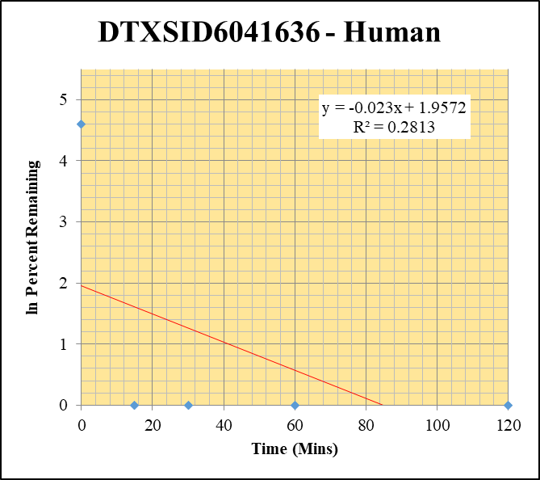
Blank____1_003 | DTXSID6041636 | 104 | 0 | 833935.4048 | 0 |  |  |  | DTXSID6041636 - Human | Time (Mins) | % Remaining Replica 1 | % Remaining Replica 2 | % Remaining Replica 3 | Average
Blank____2_004 | DTXSID6041636 | 104 | 0 | 912563.85532 | 0 |  |  |  | Time (Mins) | 120 | 0.0% | 0.0% | 0.0% | 0.0%
Blank____3_005 | DTXSID6041636 | 104 | 0 | 1585588.8247 | 0 |  |  |  | ln Percent Remaining | 60 | 0.0% | 0.0% | 0.0% | 0.0%
DTXSID6041636_1uM___120_1_442 | DTXSID6041636 | 104 | 0 | 1072807.8884 | 0 | 0 | 120 | #NUM! |  | 30 | 0.0% | 0.0% | 0.0% | 0.0%
DTXSID6041636_1uM___120_2_443 | DTXSID6041636 | 104 | 0 | 595690.01711 | 0 | 0 | 120 | #NUM! |  | 15 | 0.0% | 0.0% | 0.0% | 0.0%
DTXSID6041636_1uM___120_3_444 | DTXSID6041636 | 104 | 0 | 1577348.4807 | 0 | 0 | 120 | #NUM! |  | 0 | 100% | 100% | 100% | 100%
DTXSID6041636_1uM___60_1_445 | DTXSID6041636 | 104 | 0 | 1081517.194 | 0 | 0 | 60 | #NUM!
DTXSID6041636_1uM___60_2_446 | DTXSID6041636 | 104 | 0 | 1003236.0528 | 0 | 0 | 60 | #NUM! |  | Slope
DTXSID6041636_1uM___60_3_447 | DTXSID6041636 | 104 | 0 | 1017467.0412 | 0 | 0 | 60 | #NUM! |  | Intercept
DTXSID6041636_1uM___30_1_448 | DTXSID6041636 | 104 | 0 | 1108079.0581 | 0 | 0 | 30 | #NUM! |  | R2
DTXSID6041636_1uM___30_2_449 | DTXSID6041636 | 104 | 0 | 1021233.412 | 0 | 0 | 30 | #NUM! |  | T½ (mins)
DTXSID6041636_1uM___30_3_450 | DTXSID6041636 | 104 | 0 | 994006.2361 | 0 | 0 | 30 | #NUM! |  | CLint (µl/min/106 cells) | 0.00
DTXSID6041636_1uM___15_1_451 | DTXSID6041636 | 104 | 0 | 948500.26511 | 0 | 0 | 15 | #NUM! |  | Comments
DTXSID6041636_1uM___15_2_452 | DTXSID6041636 | 104 | 0 | 1104576.2484 | 0 | 0 | 15 | #NUM!
DTXSID6041636_1uM___15_3_453 | DTXSID6041636 | 104 | 0 | 940223.94951 | 0 | 0 | 15 | #NUM!
DTXSID6041636_1uM___0_1_454 | DTXSID6041636 | 104 | 22337.384089 | 517542.37494 | 0.043160493074 | 100 | 0 | 4.605170186
DTXSID6041636_1uM___0_2_455 | DTXSID6041636 | 104 | 57215.457926 | 1230812.6287 | 0.046485920433 | 100 | 0 | 4.605170186
DTXSID6041636_1uM___0_3_456 | DTXSID6041636 | 104 | 21475.025721 | 438327.01553 | 0.048993160266 | 100 | 0 | 4.605170186

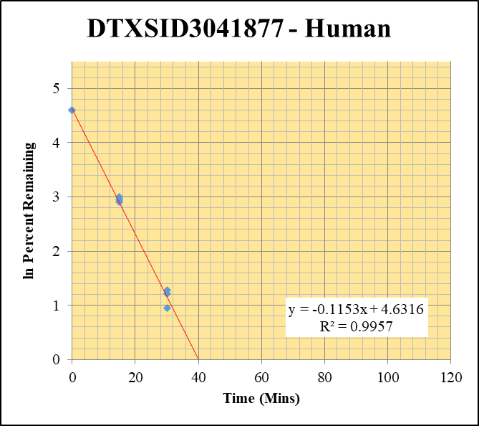
Blank____1_003 | DTXSID3041877 | 90 | 0 | 833935.4048 | 0 |  |  |  | DTXSID3041877 - Human | Time (Mins) | % Remaining Replica 1 | % Remaining Replica 2 | % Remaining Replica 3 | Average
Blank____2_004 | DTXSID3041877 | 90 | 0 | 912563.85532 | 0 |  |  |  | Time (Mins) | 120 | 0.0% | 0.0% | 0.0% | 0.0%
Blank____3_005 | DTXSID3041877 | 90 | 0 | 1585588.8247 | 0 |  |  |  | ln Percent Remaining | 60 | 0.0% | 0.0% | 0.0% | 0.0%
DTXSID3041877_10uM___120_1_208 | DTXSID3041877 | 90 | 0 | 1194163.7133 | 0.42351943021 | 0 | 120 | #NUM! |  | 30 | 3.6% | 3.3% | 2.6% | 3.2%
DTXSID3041877_10uM___120_2_209 | DTXSID3041877 | 90 | 0 | 1151704.9238 | 0.34448174058 | 0 | 120 | #NUM! |  | 15 | 18.4% | 20.1% | 19.2% | 19.2%
DTXSID3041877_10uM___120_3_210 | DTXSID3041877 | 90 | 0 | 1146631.109 | 0.33123749122 | 0 | 120 | #NUM! |  | 0 | 100% | 100% | 100% | 100%
DTXSID3041877_10uM___60_1_211 | DTXSID3041877 | 90 | 0 | 1159639.3494 | 0.5872668059 | 0 | 60 | #NUM!
DTXSID3041877_10uM___60_2_212 | DTXSID3041877 | 90 | 0 | 1175452.4698 | 0.34570266354 | 0 | 60 | #NUM! |  | Slope | -0.115317
DTXSID3041877_10uM___60_3_213 | DTXSID3041877 | 90 | 0 | 1153263.5639 | 0.44275647912 | 0 | 60 | #NUM! |  | Intercept | 4.63
DTXSID3041877_10uM___30_1_214 | DTXSID3041877 | 90 | 28666.76735 | 1196993.1191 | 0.023948982574 | 3.5979651597 | 30 | 1.2803684522 |  | R2 | 0.9957
DTXSID3041877_10uM___30_2_215 | DTXSID3041877 | 90 | 24504.838265 | 1148652.5398 | 0.021333551633 | 3.3491098268 | 30 | 1.2086945872 |  | T½ (mins) | 6.01
DTXSID3041877_10uM___30_3_216 | DTXSID3041877 | 90 | 19423.169922 | 1149542.9597 | 0.016896428062 | 2.580244774 | 30 | 0.9478842681 |  | CLint (µl/min/106 cells) | 230.63
DTXSID3041877_10uM___15_1_217 | DTXSID3041877 | 90 | 136835.33169 | 1117413.7562 | 0.12245717482 | 18.397301313 | 15 | 2.9122039861 |  | Comments
DTXSID3041877_10uM___15_2_218 | DTXSID3041877 | 90 | 143816.58094 | 1126006.2492 | 0.12772272004 | 20.050923735 | 15 | 2.9982752243
DTXSID3041877_10uM___15_3_219 | DTXSID3041877 | 90 | 142345.83982 | 1133783.489 | 0.12554940268 | 19.172584228 | 15 | 2.9534813538
DTXSID3041877_10uM___0_1_220 | DTXSID3041877 | 90 | 321078.40314 | 482370.76646 | 0.66562574987 | 100 | 0 | 4.605170186
DTXSID3041877_10uM___0_2_221 | DTXSID3041877 | 90 | 308371.77369 | 484106.42323 | 0.63699170037 | 100 | 0 | 4.605170186
DTXSID3041877_10uM___0_3_222 | DTXSID3041877 | 90 | 325356.03453 | 496849.51443 | 0.65483818557 | 100 | 0 | 4.605170186

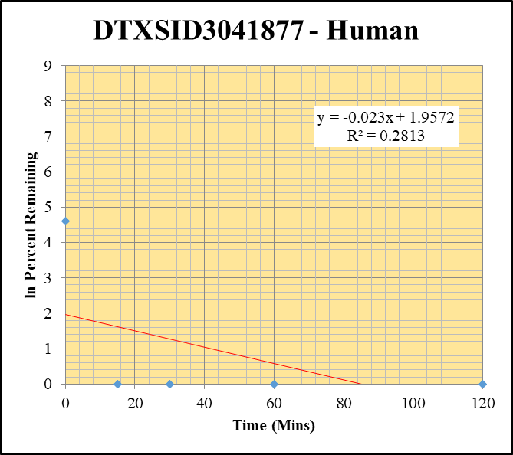
Blank____1_003 | DTXSID3041877 | 90 | 0 | 833935.4048 | 0 |  |  |  | DTXSID3041877 - Human | Time (Mins) | % Remaining Replica 1 | % Remaining Replica 2 | % Remaining Replica 3 | Average
Blank____2_004 | DTXSID3041877 | 90 | 0 | 912563.85532 | 0 |  |  |  | Time (Mins) | 120 | 0.0% | 0.0% | 0.0% | 0.0%
Blank____3_005 | DTXSID3041877 | 90 | 0 | 1585588.8247 | 0 |  |  |  | ln Percent Remaining | 60 | 0.0% | 0.0% | 0.0% | 0.0%
DTXSID3041877_1uM___120_1_190 | DTXSID3041877 | 90 | 0 | 1161277.6004 | 0 | 0 | 120 | #NUM! |  | 30 | 0.0% | 0.0% | 0.0% | 0.0%
DTXSID3041877_1uM___120_2_191 | DTXSID3041877 | 90 | 0 | 1171668.8055 | 0 | 0 | 120 | #NUM! |  | 15 | 0.0% | 0.0% | 0.0% | 0.0%
DTXSID3041877_1uM___120_3_192 | DTXSID3041877 | 90 | 0 | 1158150.9617 | 0 | 0 | 120 | #NUM! |  | 0 | 100% | 100% | 100% | 100%
DTXSID3041877_1uM___60_1_193 | DTXSID3041877 | 90 | 0 | 1232889.0286 | 0 | 0 | 60 | #NUM!
DTXSID3041877_1uM___60_2_194 | DTXSID3041877 | 90 | 0 | 1180369.6863 | 0 | 0 | 60 | #NUM! |  | Slope
DTXSID3041877_1uM___60_3_195 | DTXSID3041877 | 90 | 0 | 1182102.5869 | 0 | 0 | 60 | #NUM! |  | Intercept
DTXSID3041877_1uM___30_1_196 | DTXSID3041877 | 90 | 0 | 1097731.331 | 0 | 0 | 30 | #NUM! |  | R2
DTXSID3041877_1uM___30_2_197 | DTXSID3041877 | 90 | 0 | 1134996.3666 | 0 | 0 | 30 | #NUM! |  | T½ (mins)
DTXSID3041877_1uM___30_3_198 | DTXSID3041877 | 90 | 0 | 1141050.4087 | 0 | 0 | 30 | #NUM! |  | CLint (µl/min/106 cells) | 0.0
DTXSID3041877_1uM___15_1_199 | DTXSID3041877 | 90 | 0 | 1162222.0036 | 0 | 0 | 15 | #NUM! |  | Comments | Control
DTXSID3041877_1uM___15_2_200 | DTXSID3041877 | 90 | 0 | 1110636.8578 | 0 | 0 | 15 | #NUM!
DTXSID3041877_1uM___15_3_201 | DTXSID3041877 | 90 | 0 | 1118404.4149 | 0 | 0 | 15 | #NUM!
DTXSID3041877_1uM___0_1_202 | DTXSID3041877 | 90 | 42830.628351 | 516388.3002 | 0.082942677699 | 100 | 0 | 4.605170186
DTXSID3041877_1uM___0_2_203 | DTXSID3041877 | 90 | 43692.03071 | 496043.44337 | 0.088081056799 | 100 | 0 | 4.605170186
DTXSID3041877_1uM___0_3_204 | DTXSID3041877 | 90 | 40246.49589 | 510933.88944 | 0.078770456849 | 100 | 0 | 4.605170186

Data2
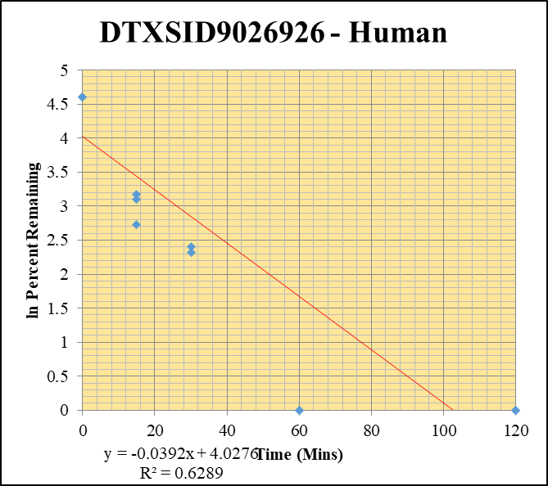
SampleName | CompoundName | Transition | Area | ISTD Area | ISTDResponseRatio | % Remaining | Time (mins) | ln % Remaining | Chart | Table
Blank____1_003 | DTXSID9026926 | 55 | 0 | 833935.4048 | 0 |  |  |  | DTXSID9026926 - Human | Time (Mins) | % Remaining Replica 1 | % Remaining Replica 2 | % Remaining Replica 3 | Average
Blank____2_004 | DTXSID9026926 | 55 | 0 | 912563.85532 | 0 |  |  |  | Time (Mins) | 120 | 0% | 0% | 0% | 0%
Blank____3_005 | DTXSID9026926 | 55 | 0 | 1585588.8247 | 0 |  |  |  | ln Percent Remaining | 60 | 0% | 0% | 0.0% | 0%
DTXSID9026926_10uM___120_1_100 | DTXSID9026926 | 55 | 0 | 1190984.1028 | 0 | 0 | 120 | #NUM! |  | 30 | 11.1% | 10.2% | 597% | 206.2%
DTXSID9026926_10uM___120_2_101 | DTXSID9026926 | 55 | 0 | 1192033.3595 | 0 | 0 | 120 | #NUM! |  | 15 | 24% | 22% | 15.4% | 20.5%
DTXSID9026926_10uM___120_3_102 | DTXSID9026926 | 55 | 0 | 1133784.9546 | 0 | 0 | 120 | #NUM! |  | 0 | 100% | 100% | 100% | 100%
DTXSID9026926_10uM___60_1_103 | DTXSID9026926 | 55 | 0 | 1237204.9471 | 0.040992471074 | 0 | 60 | #NUM!
DTXSID9026926_10uM___60_2_104 | DTXSID9026926 | 55 | 0 | 1170730.5689 | 0.052323860637 | 0 | 60 | #NUM! |  | Slope | -0.029960
DTXSID9026926_10uM___60_3_105 | DTXSID9026926 | 55 | 0 | 1179322.0842 | 0.048598137902 | 0 | 60 | #NUM! |  | Intercept | 4.22
DTXSID9026926_10uM___30_1_106 | DTXSID9026926 | 55 | 86007.538665 | 1142294.7212 | 0.075293649763 | 11.055765956 | 30 | 2.4029520979 |  | R2 | 0.082
DTXSID9026926_10uM___30_2_107 | DTXSID9026926 | 55 | 91329.500188 | 1133828.0727 | 0.080549690368 | 10.211880027 | 30 | 2.323551751 |  | T½ (mins) | 23.135450829
DTXSID9026926_10uM___30_3_108 | DTXSID9026926 | 55 | 1905872.3077 | 306035.30591 | 6.2276223393 | 597.39074353 | 30 | 6.3925714111 |  | CLint (µl/min/106 cells) | 59.9
DTXSID9026926_10uM___15_1_109 | DTXSID9026926 | 55 | 222516.6081 | 1366717.0087 | 0.16281103307 | 23.906407544 | 15 | 3.1741465211 |  | Comments
DTXSID9026926_10uM___15_2_110 | DTXSID9026926 | 55 | 202694.25753 | 1154351.7286 | 0.17559141856 | 22.261022877 | 15 | 3.1028372961
DTXSID9026926_10uM___15_3_111 | DTXSID9026926 | 55 | 172525.57461 | 1075878.0934 | 0.16035792129 | 15.382489915 | 15 | 2.733229844
DTXSID9026926_10uM___0_1_112 | DTXSID9026926 | 55 | 357932.56374 | 525571.36828 | 0.68103512738 | 100 | 0 | 4.605170186
DTXSID9026926_10uM___0_2_113 | DTXSID9026926 | 55 | 419587.36659 | 531941.93904 | 0.78878414316 | 100 | 0 | 4.605170186
DTXSID9026926_10uM___0_3_114 | DTXSID9026926 | 55 | 432630.94071 | 415005.44712 | 1.0424705114 | 100 | 0 | 4.605170186

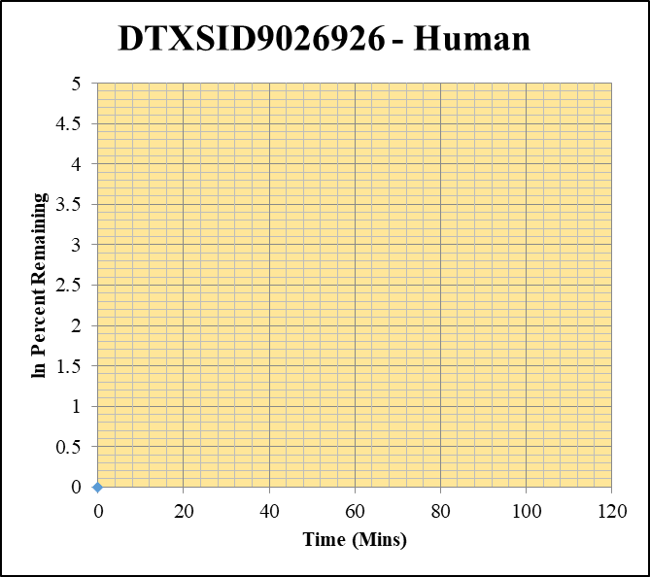
Blank____1_003 | DTXSID9026926 | 55 | 0 | 833935.4048 | 0 |  |  |  | DTXSID9026926 - Human | Time (Mins) | % Remaining Replica 1 | % Remaining Replica 2 | % Remaining Replica 3 | Average
Blank____2_004 | DTXSID9026926 | 55 | 0 | 912563.85532 | 0 |  |  |  | Time (Mins) | 120 | #DIV/0! | #DIV/0! | #DIV/0!
Blank____3_005 | DTXSID9026926 | 55 | 0 | 1585588.8247 | 0 |  |  |  | ln Percent Remaining | 60 | #DIV/0! | #DIV/0! | #DIV/0!
DTXSID9026926_1uM___120_1_082 | DTXSID9026926 | 55 | 2109544.7146 | 248827.90946 | 8.4779264478 | #DIV/0! | 120 | #DIV/0! |  | 30 | #DIV/0! | #DIV/0! | #DIV/0!
DTXSID9026926_1uM___120_2_083 | DTXSID9026926 | 55 | 0 | 1067166.3899 | 0 | #DIV/0! | 120 | #DIV/0! |  | 15 | #DIV/0! | #DIV/0! | #DIV/0!
DTXSID9026926_1uM___120_3_084 | DTXSID9026926 | 55 | 0 | 1099125.3866 | 0 | #DIV/0! | 120 | #DIV/0! |  | 0 | #DIV/0! | #DIV/0! | #DIV/0!
DTXSID9026926_1uM___60_1_085 | DTXSID9026926 | 55 | 0 | 1081071.2601 | 0 | #DIV/0! | 60 | #DIV/0!
DTXSID9026926_1uM___60_2_086 | DTXSID9026926 | 55 | 0 | 1106934.5474 | 0 | #DIV/0! | 60 | #DIV/0! |  | Slope
DTXSID9026926_1uM___60_3_087 | DTXSID9026926 | 55 | 0 | 1169487.363 | 0 | #DIV/0! | 60 | #DIV/0! |  | Intercept
DTXSID9026926_1uM___30_1_088 | DTXSID9026926 | 55 | 0 | 1120087.9144 | 0 | #DIV/0! | 30 | #DIV/0! |  | R2
DTXSID9026926_1uM___30_2_089 | DTXSID9026926 | 55 | 0 | 1134192.326 | 0 | #DIV/0! | 30 | #DIV/0! |  | T½ (mins)
DTXSID9026926_1uM___30_3_090 | DTXSID9026926 | 55 | 0 | 1156731.3188 | 0 | #DIV/0! | 30 | #DIV/0! |  | CLint (µl/min/106 cells) | 0.00
DTXSID9026926_1uM___15_1_091 | DTXSID9026926 | 55 | 0 | 1119802.0093 | 0 | #DIV/0! | 15 | #DIV/0! |  | Comments
DTXSID9026926_1uM___15_2_092 | DTXSID9026926 | 55 | 0 | 1105450.097 | 0 | #DIV/0! | 15 | #DIV/0!
DTXSID9026926_1uM___15_3_093 | DTXSID9026926 | 55 | 0 | 1121021.7538 | 0 | #DIV/0! | 15 | #DIV/0!
DTXSID9026926_1uM___0_1_094 | DTXSID9026926 | 55 | 0 | 617775.43323 | 0 | #DIV/0! | 0 | #DIV/0!
DTXSID9026926_1uM___0_2_095 | DTXSID9026926 | 55 | 0 | 582696.39743 | 0 | #DIV/0! | 0 | #DIV/0!
DTXSID9026926_1uM___0_3_096 | DTXSID9026926 | 55 | 0 | 555131.15269 | 0 | #DIV/0! | 0 | #DIV/0!

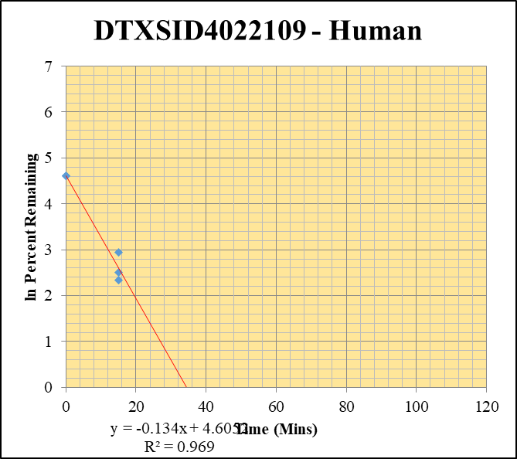
Blank____1_003 | DTXSID4022109 | 85 | 0 | 833935.4048 | 0 |  |  |  | DTXSID4022109 - Human | Time (Mins) | % Remaining Replica 1 | % Remaining Replica 2 | % Remaining Replica 3 | Average
Blank____2_004 | DTXSID4022109 | 85 | 0 | 912563.85532 | 0 |  |  |  | Time (Mins) | 120 | 11.02% | 5.83% | 11.05%
Blank____3_005 | DTXSID4022109 | 85 | 0 | 1585588.8247 | 0 |  |  |  | ln Percent Remaining | 60 | 25.89% | 7.07% | 12.59%
DTXSID4022109_10uM___120_1_424 | DTXSID4022109 | 85 | 256443.45743 | 847311.13665 | 0.30265559644 | 11.024838705 | 120 | 2.400 |  | 30 | 14.76% | 10.61% | 18.48%
DTXSID4022109_10uM___120_2_425 | DTXSID4022109 | 85 | 225243.92867 | 946577.37646 | 0.23795617165 | 5.8328892148 | 120 | 1.764 |  | 15 | 18.9% | 12.2% | 10.4% | 13.8%
DTXSID4022109_10uM___120_3_426 | DTXSID4022109 | 85 | 231302.81013 | 835226.70702 | 0.27693416432 | 11.048468938 | 120 | 2.402 |  | 0 | 100% | 100% | 100% | 100%
DTXSID4022109_10uM___60_1_427 | DTXSID4022109 | 85 | 376158.63296 | 529246.35079 | 0.71074393313 | 25.890276986 | 60 | 3.254
DTXSID4022109_10uM___60_2_428 | DTXSID4022109 | 85 | 298516.01256 | 1034534.2391 | 0.2885511192 | 7.0730954337 | 60 | 1.956 |  | Slope | -0.1340
DTXSID4022109_10uM___60_3_429 | DTXSID4022109 | 85 | 278860.50317 | 883646.31095 | 0.31557932141 | 12.590242661 | 60 | 2.533 |  | Intercept | 4.61
DTXSID4022109_10uM___30_1_430 | DTXSID4022109 | 85 | 358053.03502 | 883874.92325 | 0.40509468659 | 14.756388556 | 30 | 2.692 |  | R2 | 0.969
DTXSID4022109_10uM___30_2_431 | DTXSID4022109 | 85 | 370164.56932 | 855302.42713 | 0.43278793276 | 10.60869339 | 30 | 2.362 |  | T½ (mins) | 5.2
DTXSID4022109_10uM___30_3_432 | DTXSID4022109 | 85 | 382740.98797 | 826366.13103 | 0.46316151353 | 18.478130382 | 30 | 2.917 |  | CLint (µl/min/106 cells) | 268.0
DTXSID4022109_10uM___15_1_433 | DTXSID4022109 | 85 | 416581.77724 | 801172.72242 | 0.51996500327 | 18.940770832 | 15 | 2.9413167856 |  | Comments
DTXSID4022109_10uM___15_2_434 | DTXSID4022109 | 85 | 379690.0938 | 760106.22505 | 0.49952241053 | 12.244519067 | 15 | 2.5050784138
DTXSID4022109_10uM___15_3_435 | DTXSID4022109 | 85 | 333813.61901 | 1285114.26 | 0.25975403852 | 10.363056625 | 15 | 2.3382472343
DTXSID4022109_10uM___0_1_436 | DTXSID4022109 | 85 | 846973.64653 | 308527.18238 | 2.7452156403 | 100 | 0 | 4.605170186
DTXSID4022109_10uM___0_2_437 | DTXSID4022109 | 85 | 1374973.8447 | 337039.80249 | 4.0795592525 | 100 | 0 | 4.605170186
DTXSID4022109_10uM___0_3_438 | DTXSID4022109 | 85 | 834390.05096 | 332885.34778 | 2.5065388324 | 100 | 0 | 4.605170186

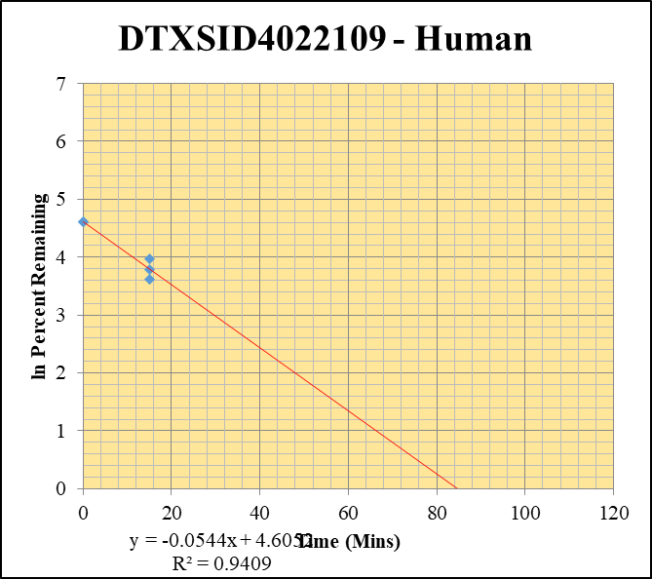
Blank____1_003 | DTXSID4022109 | 85 | 0 | 833935.4048 | 0 |  |  |  | DTXSID4022109 - Human | Time (Mins) | % Remaining Replica 1 | % Remaining Replica 2 | % Remaining Replica 3 | Average
Blank____2_004 | DTXSID4022109 | 85 | 0 | 912563.85532 | 0 |  |  |  | Time (Mins) | 120 | 7.71% | 49.19% | 11.33%
Blank____3_005 | DTXSID4022109 | 85 | 0 | 1585588.8247 | 0 |  |  |  | ln Percent Remaining | 60 | 40.78% | 43.10% | 34.96%
DTXSID4022109_1uM___120_1_406 | DTXSID4022109 | 85 | 75035.794974 | 1527067.6293 | 0.04913717869 | 7.7136236479 | 120 | 2.043 |  | 30 | 44.20% | 42.22% | 52.10%
DTXSID4022109_1uM___120_2_407 | DTXSID4022109 | 85 | 219174.79576 | 824639.00824 | 0.26578271652 | 49.190170983 | 120 | 3.896 |  | 15 | 44.0% | 52.9% | 37.1% | 44.7%
DTXSID4022109_1uM___120_3_408 | DTXSID4022109 | 85 | 128434.62096 | 1523981.7068 | 0.084275697266 | 11.325691769 | 120 | 2.427 |  | 0 | 100% | 100% | 100% | 100%
DTXSID4022109_1uM___60_1_409 | DTXSID4022109 | 85 | 226020.42141 | 870035.93219 | 0.25978285844 | 40.781079695 | 60 | 3.708
DTXSID4022109_1uM___60_2_410 | DTXSID4022109 | 85 | 209901.36465 | 901249.95999 | 0.23290027625 | 43.104399565 | 60 | 3.764 |  | Slope | -0.0544
DTXSID4022109_1uM___60_3_411 | DTXSID4022109 | 85 | 221821.12586 | 852636.14207 | 0.26015918739 | 34.962425264 | 60 | 3.554 |  | Intercept | 4.61
DTXSID4022109_1uM___30_1_412 | DTXSID4022109 | 85 | 225024.26803 | 799149.5787 | 0.28157966172 | 44.202772631 | 30 | 3.789 |  | R2 | 0.941
DTXSID4022109_1uM___30_2_413 | DTXSID4022109 | 85 | 205642.11352 | 901476.53176 | 0.22811699059 | 42.219125149 | 30 | 3.743 |  | T½ (mins) | 12.7
DTXSID4022109_1uM___30_3_414 | DTXSID4022109 | 85 | 235316.43219 | 606987.62915 | 0.38767912375 | 52.099649165 | 30 | 3.953 |  | CLint (µl/min/106 cells) | 108.8
DTXSID4022109_1uM___15_1_415 | DTXSID4022109 | 85 | 224472.5601 | 800389.57636 | 0.28045412725 | 44.026084643 | 15 | 3.7847822911 |  | Comments
DTXSID4022109_1uM___15_2_416 | DTXSID4022109 | 85 | 227634.65918 | 796106.93426 | 0.28593477758 | 52.919846644 | 15 | 3.9687784414
DTXSID4022109_1uM___15_3_417 | DTXSID4022109 | 85 | 216692.32439 | 784112.97613 | 0.27635344776 | 37.138749012 | 15 | 3.6146608723
DTXSID4022109_1uM___0_1_418 | DTXSID4022109 | 85 | 264459.8571 | 415152.81544 | 0.63701809854 | 100 | 0 | 4.605170186
DTXSID4022109_1uM___0_2_419 | DTXSID4022109 | 85 | 285359.35725 | 528133.49785 | 0.54031671616 | 100 | 0 | 4.605170186
DTXSID4022109_1uM___0_3_420 | DTXSID4022109 | 85 | 268999.9192 | 361505.18708 | 0.74411081448 | 100 | 0 | 4.605170186

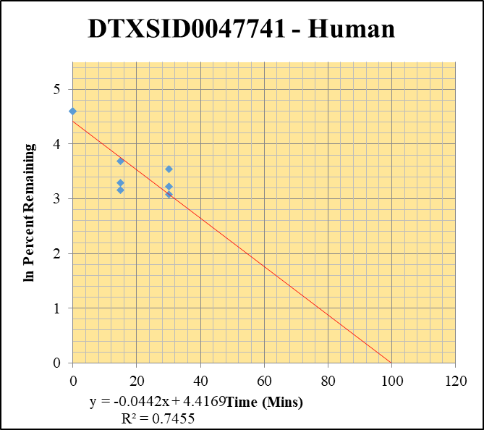
Blank____1_003 | DTXSID0047741 | 184 | 0 | 833935.4048 | 0 |  |  |  | DTXSID0047741 - Human | Time (Mins) | % Remaining Replica 1 | % Remaining Replica 2 | % Remaining Replica 3 | Average
Blank____2_004 | DTXSID0047741 | 184 | 0 | 912563.85532 | 0 |  |  |  | Time (Mins) | 120 | 12.85% | 12.06% | 19.07%
Blank____3_005 | DTXSID0047741 | 184 | 0 | 1585588.8247 | 0 |  |  |  | ln Percent Remaining | 60 | 14.47% | 14.55% | 21.77%
DTXSID0047741_10uM___120_1_136 | DTXSID0047741 | 184 | 4995.3168185 | 1106296.7453 | 0.004515349828 | 12.852529173 | 120 | 2.554 |  | 30 | 21.7% | 25.0% | 34.4% | 27.0%
DTXSID0047741_10uM___120_2_137 | DTXSID0047741 | 184 | 4348.7850826 | 1078520.5791 | 0.0040321762669 | 12.062760476 | 120 | 2.490 |  | 15 | 23.5% | 26.8% | 39.9% | 30.1%
DTXSID0047741_10uM___120_3_138 | DTXSID0047741 | 184 | 7186.4249664 | 1317455.888 | 0.0054547746394 | 19.073188081 | 120 | 2.948 |  | 0 | 100% | 100% | 100% | 100%
DTXSID0047741_10uM___60_1_139 | DTXSID0047741 | 184 | 5900.9256511 | 1160464.2149 | 0.0050849699418 | 14.473900586 | 60 | 2.672
DTXSID0047741_10uM___60_2_140 | DTXSID0047741 | 184 | 5516.7903078 | 1134182.3987 | 0.0048641120812 | 14.551600694 | 60 | 2.678 |  | Slope | -0.0442
DTXSID0047741_10uM___60_3_141 | DTXSID0047741 | 184 | 7371.4080429 | 1184186.7043 | 0.0062248697913 | 21.765906047 | 60 | 3.080 |  | Intercept | 4.42
DTXSID0047741_10uM___30_1_142 | DTXSID0047741 | 184 | 8679.7917796 | 1139127.4087 | 0.0076196847812 | 21.688733913 | 30 | 3.0767929512 |  | R2 | 0.746
DTXSID0047741_10uM___30_2_143 | DTXSID0047741 | 184 | 9704.1112103 | 1160580.2289 | 0.008361430747 | 25.014267646 | 30 | 3.2194463679 |  | T½ (mins) | 15.7
DTXSID0047741_10uM___30_3_144 | DTXSID0047741 | 184 | 11628.88422 | 1181416.3225 | 0.0098431721302 | 34.417677314 | 30 | 3.5385703078 |  | CLint (µl/min/106 cells) | 88.5
DTXSID0047741_10uM___15_1_145 | DTXSID0047741 | 184 | 9225.1085546 | 1117317.3017 | 0.0082564805363 | 23.501314628 | 15 | 3.1570563612 |  | Comments
DTXSID0047741_10uM___15_2_146 | DTXSID0047741 | 184 | 10336.598692 | 1154312.7203 | 0.0089547646059 | 26.789300221 | 15 | 3.2880025623
DTXSID0047741_10uM___15_3_147 | DTXSID0047741 | 184 | 13457.280885 | 1180474.6321 | 0.011399889942 | 39.860903401 | 15 | 3.6853959789
DTXSID0047741_10uM___0_1_148 | DTXSID0047741 | 184 | 16767.337928 | 477266.89645 | 0.035131994389 | 100 | 0 | 4.605170186
DTXSID0047741_10uM___0_2_149 | DTXSID0047741 | 184 | 16454.836927 | 492267.06221 | 0.033426646206 | 100 | 0 | 4.605170186
DTXSID0047741_10uM___0_3_150 | DTXSID0047741 | 184 | 13620.672183 | 476260.9998 | 0.028599176059 | 100 | 0 | 4.605170186

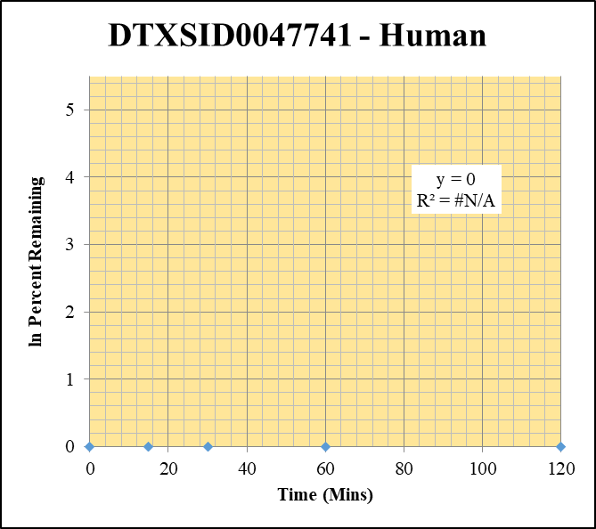
Blank____1_003 | DTXSID0047741 | 184 | 0 | 833935.4048 | 0 |  |  |  | DTXSID0047741 - Human | Time (Mins) | % Remaining Replica 1 | % Remaining Replica 2 | % Remaining Replica 3 | Average
Blank____2_004 | DTXSID0047741 | 184 | 0 | 912563.85532 | 0 |  |  |  | Time (Mins) | 120 | #DIV/0! | #DIV/0! | #DIV/0!
Blank____3_005 | DTXSID0047741 | 184 | 0 | 1585588.8247 | 0 |  |  |  | ln Percent Remaining | 60 | #DIV/0! | #DIV/0! | #DIV/0!
DTXSID0047741_1uM___120_1_118 | DTXSID0047741 | 184 | 0 | 1079217.3609 | 0 | #DIV/0! | 120 | #DIV/0! |  | 30 | #DIV/0! | #DIV/0! | #DIV/0!
DTXSID0047741_1uM___120_2_119 | DTXSID0047741 | 184 | 0 | 1092565.9984 | 0 | #DIV/0! | 120 | #DIV/0! |  | 15 | #DIV/0! | #DIV/0! | #DIV/0!
DTXSID0047741_1uM___120_3_120 | DTXSID0047741 | 184 | 0 | 1079614.9887 | 0 | #DIV/0! | 120 | #DIV/0! |  | 0 | #DIV/0! | #DIV/0! | #DIV/0!
DTXSID0047741_1uM___60_1_121 | DTXSID0047741 | 184 | 0 | 1112376.3006 | 0 | #DIV/0! | 60 | #DIV/0!
DTXSID0047741_1uM___60_2_122 | DTXSID0047741 | 184 | 0 | 1118052.5295 | 0 | #DIV/0! | 60 | #DIV/0! |  | Slope
DTXSID0047741_1uM___60_3_123 | DTXSID0047741 | 184 | 0 | 1134632.8277 | 0 | #DIV/0! | 60 | #DIV/0! |  | Intercept
DTXSID0047741_1uM___30_1_124 | DTXSID0047741 | 184 | 0 | 1076903.8841 | 0 | #DIV/0! | 30 | #DIV/0! |  | R2
DTXSID0047741_1uM___30_2_125 | DTXSID0047741 | 184 | 0 | 1122156.9963 | 0 | #DIV/0! | 30 | #DIV/0! |  | T½ (mins)
DTXSID0047741_1uM___30_3_126 | DTXSID0047741 | 184 | 0 | 1118704.2696 | 0 | #DIV/0! | 30 | #DIV/0! |  | CLint (µl/min/106 cells) | 0.0
DTXSID0047741_1uM___15_1_127 | DTXSID0047741 | 184 | 0 | 1081205.3247 | 0 | #DIV/0! | 15 | #DIV/0! |  | Comments
DTXSID0047741_1uM___15_2_128 | DTXSID0047741 | 184 | 0 | 1060288.9537 | 0 | #DIV/0! | 15 | #DIV/0!
DTXSID0047741_1uM___15_3_129 | DTXSID0047741 | 184 | 0 | 1083825.8989 | 0 | #DIV/0! | 15 | #DIV/0!
DTXSID0047741_1uM___0_1_130 | DTXSID0047741 | 184 | 0 | 582722.97793 | 0 | #DIV/0! | 0 | #DIV/0!
DTXSID0047741_1uM___0_2_131 | DTXSID0047741 | 184 | 0 | 555046.51665 | 0 | #DIV/0! | 0 | #DIV/0!
DTXSID0047741_1uM___0_3_132 | DTXSID0047741 | 184 | 0 | 563101.18461 | 0 | #DIV/0! | 0 | #DIV/0!

Control
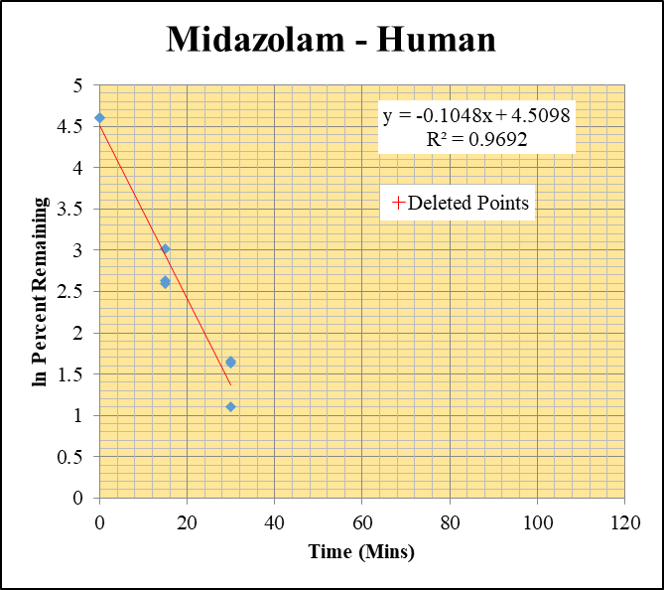
SampleName | CompoundName | Transition | Area | ISTD Area | ISTDResponseRatio | % Remaining | Time (mins) | ln % Remaining | Chart | Table
Blank_Human___1_____5P1_Inj 2020Oct07_EPA_003 | Midazolam | 326.2 / 291.0 | 11.12 | 4484000 | 0.00000248 |  |  |  | Midazolam - Human | Time (Mins) | % Remaining Replica 1 | % Remaining Replica 2 | % Remaining Replica 3 | Average
Blank_Human___2_____5P1_Inj 2020Oct07_EPA_004 | Midazolam | 326.2 / 291.0 | 2.687 | 4735000 | 5.676E-07 |  |  |  | Time (Mins) | 120 | 0.01% | 0.00% | 0.02%
Blank_Human___3_____5P1_Inj 2020Oct07_EPA_005 | Midazolam | 326.2 / 291.0 | 18.75 | 4829000 | 0.000003883 |  |  |  | ln Percent Remaining | 60 | 0.35% | 0.25% | 0.40%
Midazolam__Human__120_1_____5P2_Inj 2020Oct07_EPA_006 | Midazolam | 326.2 / 291.0 | 149.3 | 3167000 | 0.00004713 | 0.0073680700669 | 120 | -4.911 |  | 30 | 5.24% | 3.00% | 5.11% | 4.45%
Midazolam__Human__120_2_____5P2_Inj 2020Oct07_EPA_007 | Midazolam | 326.2 / 291.0 | 18.52 | 3277000 | 0.000005651 | 0.00043466172802 | 120 | -7.741 |  | 15 | 20.5% | 13.4% | 13.8% | 15.9%
Midazolam__Human__120_3_____5P2_Inj 2020Oct07_EPA_008 | Midazolam | 326.2 / 291.0 | 518.3 | 3046000 | 0.0001702 | 0.020739997423 | 120 | -3.876 |  | 0 | 100% | 100% | 100% | 100%
Midazolam__Human__60_1_____5P3_Inj 2020Oct07_EPA_009 | Midazolam | 326.2 / 291.0 | 5163 | 2422000 | 0.002132 | 0.350106508 | 60 | -1.050
Midazolam__Human__60_2_____5P3_Inj 2020Oct07_EPA_010 | Midazolam | 326.2 / 291.0 | 4263 | 2240000 | 0.001903 | 0.24729319711 | 60 | -1.397 |  | Slope | -0.1048
Midazolam__Human__60_3_____5P3_Inj 2020Oct07_EPA_011 | Midazolam | 326.2 / 291.0 | 6300 | 1963000 | 0.003209 | 0.39613328616 | 60 | -0.926 |  | Intercept | 4.51
Midazolam__Human__30_1_____5P4_Inj 2020Oct07_EPA_012 | Midazolam | 326.2 / 291.0 | 64340 | 2018000 | 0.03189 | 5.2421191687 | 30 | 1.6567258381 |  | R2 | 0.969
Midazolam__Human__30_2_____5P4_Inj 2020Oct07_EPA_013 | Midazolam | 326.2 / 291.0 | 46910 | 2031000 | 0.02309 | 3.0038718703 | 30 | 1.09990208 |  | T½ (mins) | 6.62
Midazolam__Human__30_3_____5P4_Inj 2020Oct07_EPA_014 | Midazolam | 326.2 / 291.0 | 79110 | 1913000 | 0.04136 | 5.1090559394 | 30 | 1.6310146395 |  | CLint (µl/min/106 cells) | 210
Midazolam__Human__15_1_____5P5_Inj 2020Oct07_EPA_015 | Midazolam | 326.2 / 291.0 | 258800 | 2080000 | 0.1244 | 20.450133526 | 15 | 3.0179894119 |  | Comments | Points Deleted: (120,-4.9110) (120,-7.7410) (120,-3.8760) (60,-1.0500) (60,-1.3970) (60,-0.9260)
Midazolam__Human__15_2_____5P5_Inj 2020Oct07_EPA_016 | Midazolam | 326.2 / 291.0 | 206200 | 1997000 | 0.1033 | 13.439760641 | 15 | 2.5982175255
Midazolam__Human__15_3_____5P5_Inj 2020Oct07_EPA_017 | Midazolam | 326.2 / 291.0 | 219900 | 1962000 | 0.112 | 13.835455148 | 15 | 2.627234511
Midazolam__Human__0_1_____5P6_Inj 2020Oct07_EPA_018 | Midazolam | 326.2 / 291.0 | 1967000 | 3234000 | 0.6083 | 100 | 0 | 4.605170186
Midazolam__Human__0_2_____5P6_Inj 2020Oct07_EPA_019 | Midazolam | 326.2 / 291.0 | 1860000 | 2420000 | 0.7686 | 100 | 0 | 4.605170186
Midazolam__Human__0_3_____5P6_Inj 2020Oct07_EPA_020 | Midazolam | 326.2 / 291.0 | 3327000 | 4110000 | 0.8095 | 100 | 0 | 4.605170186

